Sheet1
 |  | needed |  | spiruline |  |  |  | chlorella |  |  |  | mix |  | units | spiruline fermented
 |  | recommended | max | for 100g |  | for 87g |  | for 100g |  | for |  |  |  |  | for 100g |  | for 87g
quantité |  |  |  | 100 |  | 87 | dried | 100 |  | 50 |  |  |  | g |  |  | 50
Calories |  | 2000 |  | 289.2857143 |  | 251.6785714 | 13% | 410.7142857 |  | 205.3571429 |  |  |  | kcal | 28 |  | 300
Protein |  | 50 |  | 57.14285714 |  | 49.71 | 99% | 57.14285714 |  | 28.57142857 |  |  |  |  | 5.74 |  | 28.57
carbs |  | 260 |  |  |  |  |  |  |  |  |  |  |  |  | 2.39
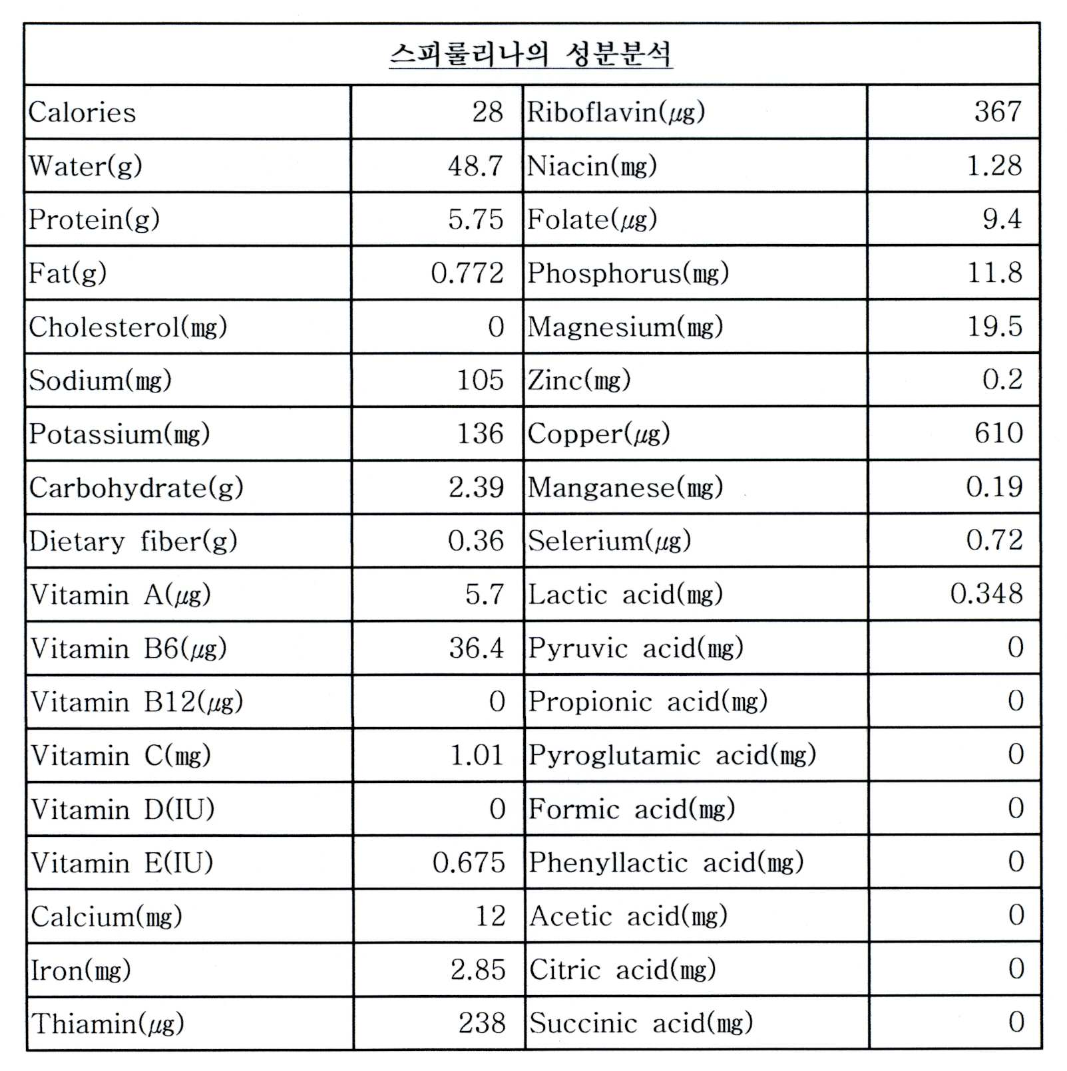
fat |  | 60 | 70 |  |  |  |  |  |  |  |  |  |  | g | 0.772
 |  |  |  |  |  | 435.00 | wet
 |  |  |  |  |  | 348.00 | water content

Vtamin A | retinol 0.3mcg/IU | 900 | 3000 | 342 | 38% | 297.54 | 33% | 97218.33333 | 10802% | 48609.16667 | 5401% | 48906.71 | 5434% | mcg | 5.7 | 0% | 61.07 | 7%
 | beta-carotene 0.6mcg/IU |  |  |  | #DIV/0! | 0.00 | #DIV/0! |  | #DIV/0! | 0 | #DIV/0! | 0.00 | #DIV/0! |  |  | #DIV/0! | 0.00 | #DIV/0!
 |  |  |  |  |  |  |  |  |  |  |  | 0.00 | #DIV/0! |  |  |  | 0.00
Vitamin B1 | Thiamine | 1.2 |  | 2.38 | 198% | 2.07 | 173% | 2 | 167% | 1 | 83% | 3.07 | 256% | mg | 0.238 | 20% | 2.55 | 213%
Vitamin B2 | Riboflavin | 1.3 |  | 3.67 | 282% | 3.19 | 246% | 4.533 | 349% | 2.2665 | 174% | 5.46 | 420% | mg | 0.367 | 28% | 3.93 | 302% | RF is among the most widely studied compounds in terms of photostability and degradation in aqueous and organic solvents. It shows strong absorption at 223, 267, 373 and 444 nm in the UV and visible regions in aqueous solution and is
Vitamin B3 | Niacin, Niacinamide, Nicotinamide riboside | 16 |  | 12.82 | 80% | 11.15 | 70% | 26.667 | 167% | 13.3335 | 83% | 24.49 | 153% | mg | 1.28 | 8% | 13.71 | 86%
Vitamin B5 | Pantothenic acid | 5 |  | 3.48 | 70% | 3.03 | 61% |  | 0% | 0 | 0% | 3.03 | 61% | mg |  | 0% | 0.00 | 0%
Vitamin B6 | Pyridoxine, Pyridoxamine, Pyridoxal | 1.3 |  | 0.364 | 28% | 0.32 | 24% |  | 0% | 0 | 0% | 0.32 | 24% | mg | 0.0364 | 3% | 0.39 | 30%
Vitamin B7 | Biotin | 30 |  | 94 | 313% | 81.78 | 273% |  | 0% | 0 | 0% | 81.78 | 273% | mcg |  | 0% | 0.00 | 0%
Vitamin B9 | Folates, Folic acid | 400 | 1000 | 0 | 0% | 0.00 | 0% |  | 0% | 0 | 0% | 0.00 | 0% | mcg | 9.4 | 2% | 100.71 | 25%
Vitamin B12 | Cyanocobalamin, Hydroxocobalamin, Methylcobalamin, Adenosylcobalamin | 2.4 |  | 66 | 2750% | 57.42 | 2393% | 300 | 12500% | 150 | 6250% | 207.42 | 8643% | mcg | 0 | 0% | 0.00 | 0%
Vitamin C | Ascorbic acid | 90 |  | 10.1 | 11% | 8.79 | 10% | 20 | 22% | 10 | 11% | 18.79 | 21% | mg | 1.01 | 1% | 10.82 | 12%
Vitamin D | Cholecalciferol (D3), Ergocalciferol (D2) | 15 | 50 | 0 | 0% | 0.00 | 0% |  | 0% | 0 | 0% | 0.00 | 0% | mcg | 0 | 0% | 0.00 | 0%
Vitamin E | Tocopherols, Tocotrienols | 15 |  | 5 | 33% | 4.35 | 29% |  | 0% | 0 | 0% | 4.35 | 29% | mg | 0.675 | 5% | 7.23 | 48%
Vitamin K | Phylloquinone, Menaquinones | 120 |  | 25.5 | 21% | 22.19 | 18% |  | 0% | 0 | 0% | 22.19 | 18% | mcg |  | 0% | 0.00 | 0%
 |  |  |  |  |  |  |  |  |  |  |  |  |  |  |  |  | 0.00 | #DIV/0!
Potassium |  | 4.7 |  |  | 0% | 0.00 | 0% |  | 0% | 0 | 0% | 0.00 | 0% | g | 0.136 | #VALUE! | 1.46 | 31%
Chlorine |  | 2.3 |  |  | 0% | 0.00 | 0% |  | 0% | 0 | 0% | 0.00 | 0% | g |  | #VALUE! | 0.00 | 0%
Sodium |  | 2300 | 6000 |  | 0% | 0.00 | 0% | 0 | 0% | 0 | 0% | 0.00 | 0% | mg | 105 | #VALUE! | 1125.00 | 49%
Calcium |  | 1000 | 2500 |  | 0% | 0.00 | 0% | 333 | 33% | 166.5 | 17% | 166.50 | 17% | mg | 12 | #VALUE! | 128.57 | 13%
Phosphorus |  | 700 | 4000 |  | 0% | 0.00 | 0% |  | 0% | 0 | 0% | 0.00 | 0% | mg | 11.8 | #VALUE! | 126.43 | 18%
Magnesium |  | 420 |  |  | 0% | 0.00 | 0% |  | 0% | 0 | 0% | 0.00 | 0% | mg | 19.5 | #VALUE! | 208.93 | 50%
Fluoride |  | 4 | 10 |  | 0% | 0.00 | 0% | 267 | 6675% | 133.5 | 3338% | 133.50 | 3338% | mg |  | #VALUE! | 0.00 | 0%
Iron |  | 8 | 45 |  | 0% | 0.00 | 0% | 240 | 3000% | 120 | 1500% | 120.00 | 1500% | mg | 2.85 | #VALUE! | 30.54 | 382%
Zinc |  | 22 | 40 |  | 0% | 0.00 | 0% | 70 | 318% | 35 | 159% | 35.00 | 159% | mg | 0.3 | #VALUE! | 3.21 | 15%
Manganese |  | 2.3 | 11 |  | 0% | 0.00 | 0% |  | 0% | 0 | 0% | 0.00 | 0% | mg | 0.19 | #VALUE! | 2.04 | 89%
Copper |  | 900 | 10000 |  | 0% | 0.00 | 0% |  | 0% | 0 | 0% | 0.00 | 0% | mcg | 0.61 | #VALUE! | 6.54 | 1%
Iodine |  | 150 | 1100 |  | 0% | 0.00 | 0% |  | 0% | 0 | 0% | 0.00 | 0% | mcg |  | #VALUE! | 0.00 | 0%
Chromium |  | 35 |  |  | 0% | 0.00 | 0% |  | 0% | 0 | 0% | 0.00 | 0% | mcg |  | #VALUE! | 0.00 | 0%
Molybdenum |  | 45 | 2000 |  | 0% | 0.00 | 0% |  | 0% | 0 | 0% | 0.00 | 0% | mcg |  | #VALUE! | 0.00 | 0%
Selenium |  | 55 | 400 |  | 0% | 0.00 | 0% |  | 0% | 0 | 0% | 0.00 | 0% | mcg | 0.72 | #VALUE! | 7.71 | 14%
Essential Amino Acids |  | Required per 100 g of protein | Required for 50g daily | for 100gof prots |  | for indicated prots |  | for 100g of prots |  | for 50g of prots |  |  |  |  | for 100gof prots |  | for indicated prots | #VALUE!
Histidine |  | 1.8 | 0.9 | 1.888 | 210% | 0.94 | 104% | 3.3 | 367% | 0.9428571429 | 105% | 1.88 | 209% | g |  | #DIV/0! | 0.00 | 0%
Isoleucine** |  | 2.5 | 1.25 | 5.584 | 447% | 2.78 | 222% | 3.5 | 280% | 1 | 80% | 3.78 | 302% | g |  | #DIV/0! | 0.00 | 0%
Leucine** |  | 5.5 | 2.75 | 8.608 | 313% | 4.28 | 156% | 6.1 | 222% | 1.742857143 | 63% | 6.02 | 219% | g |  | #DIV/0! | 0.00 | 0%
Lysine |  | 5.1 | 2.55 | 5.264 | 206% | 2.62 | 103% | 10.2 | 400% | 2.914285714 | 114% | 5.53 | 217% | g |  | #DIV/0! | 0.00 | 0%
Meth + Cyst |  | 2.5 | 1.25 | 3.151 | 252% | 1.57 | 125% | 1.6 | 128% | 0.4571428571 | 37% | 2.02 | 162% | g |  | #DIV/0! | 0.00 | 0%
Phen + Tyr |  | 4.7 | 2.35 | 9.328 | 397% | 4.64 | 197% | 5.6 | 238% | 1.6 | 68% | 6.24 | 265% | g |  | #DIV/0! | 0.00 | 0%
Threonine |  | 2.7 | 1.35 | 5.168 | 383% | 2.57 | 190% | 2.9 | 215% | 0.8285714286 | 61% | 3.40 | 252% | g |  | #DIV/0! | 0.00 | 0%
Tryptophan |  | 0.7 | 0.35 | 1.616 | 462% | 0.80 | 230% | 2.1 | 600% | 0.6 | 171% | 1.40 | 401% | g |  | #DIV/0! | 0.00 | 0%
Valine** |  | 3.2 | 1.6 | 6.111 | 382% | 3.04 | 190% | 5.5 | 344% | 1.571428571 | 98% | 4.61 | 288% | g |  | #DIV/0! | 0.00 | 0%

solving caloric issue | https://youtu.be/jb7f3EUiO9I

 |  |  |  | Minerals | Quantity%DV† |  |  |  |  |  |  |  |  |  | Minerals | Quantity%DV†
 |  |  |  | Calcium | 120 mg |  |  | 12% |  |  |  |  |  |  | Calcium | 120 mg
 |  |  |  | Iron | 28.5 mg |  |  | 219% |  |  |  |  |  |  | Iron | 28.5 mg
 |  |  |  | Magnesium | 195 mg |  |  | 55% |  |  |  |  |  |  | Magnesium | 195 mg
 |  |  |  | Manganese | 1.9 mg |  |  | 90% |  |  |  |  |  |  | Manganese | 1.9 mg
 |  |  |  | Phosphorus | 118 mg |  |  | 17% |  |  |  |  |  |  | Phosphorus | 118 mg
 |  |  |  | Potassium | 1363 mg |  |  | 29% |  |  |  |  |  |  | Potassium | 1363 mg
 |  |  |  | Sodium | 1048 mg |  |  | 70% |  |  |  |  |  |  | Sodium | 1048 mg
 |  |  |  | Zinc | 2 mg |  |  | 21% |  |  |  |  |  |  | Zinc | 2 mg

 |  |  |  | Other constituents | Quantity |  |  |  |  |  |  |  |  |  | Other constituents | Quantity
 |  |  |  | Water | 4.68 g |  |  |  |  |  |  |  |  |  | Water | 4.68 g

